Ref-3
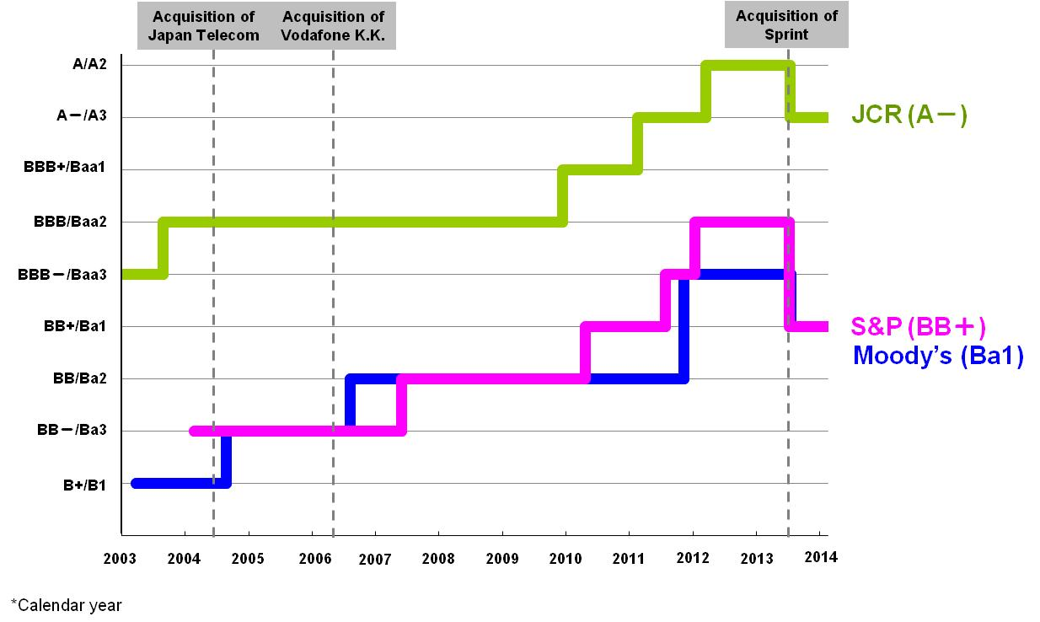
Reference - 3 Trend of Credit Rating of SoftBank

