Cover


Ref-2
Reference - 2 Corporate Bonds and Commercial Paper Details (consolidated)
 |  |  |  |  |  |  |  | (Millions of yen; unless otherwise stated)
 |  |  | Commercial paper, Bonds | Maturity date | Interest rate (%, year) | Mar. 31, 2016 Amount of issue | Mar. 31, 2017 Amount of issue | Mar. 31, 2017 Balance
 | SoftBank Group*1
 |  |  | Commercial paper | － | － | 42,000 | 80,000 | 80,000
 |  |  | 36th series Unsecured Straight Bond (Fukuoka SoftBank HAWKS Bond) | June 17, 2016 | 1.000 | 100,000 | - | -
 |  |  | 42nd series Unsecured Straight Bond | Mar. 1, 2017 | 1.467 | 70,000 | - | -
 |  |  | 41st series Unsecured Straight Bond (Fukuoka SoftBank HAWKS Bond) | Mar. 10, 2017 | 1.470 | 300,000 | - | -
 |  |  | 40th series Unsecured Straight Bond | Sept. 14, 2017 | 0.732 | 10,000 | 10,000 | 9,996
 |  |  | 39th series Unsecured Straight Bond (Fukuoka SoftBank HAWKS Bond) | Sept. 22, 2017 | 0.740 | 100,000 | 100,000 | 99,957
 |  |  | 35th series Unsecured Straight Bond | Jan. 25, 2018 | 1.660 | 10,000 | 10,000 | 9,995
 |  |  | 43rd series Unsecured Straight Bond (Fukuoka SoftBank HAWKS Bond) | June 20, 2018 | 1.740 | 400,000 | 400,000 | 398,813
 |  |  | 45th series Unsecured Straight Bond (Fukuoka SoftBank HAWKS Bond) | 2019-05-30 | 1.450 | 300,000 | 300,000 | 298,384
 |  |  | 46th series Unsecured Straight Bond (Fukuoka SoftBank HAWKS Bond) | Sept. 12, 2019 | 1.260 | 400,000 | 400,000 | 397,522
 |  |  | USD-denominated Senior Notes due year 2020 | Apr. 15, 2020 | 4.500 | USD 2,485mil | USD 2,485mil | 276,791
 |  |  | EUR-denominated Senior Notes due year 2020 | Apr. 15, 2020 | 4.625 | EUR 625mil | EUR 625mil | 74,263
 |  |  | 47th series Unsecured Straight Bond (Fukuoka SoftBank HAWKS Bond) | 2020-06-18 | 1.360 | 100,000 | 100,000 | 99,178
 |  |  | 44th series Unsecured Straight Bond | Nov. 27, 2020 | 1.689 | 50,000 | 50,000 | 49,883
 |  |  | USD-denominated Senior Notes due year 2022 | 2022-07-30 | 5.375 | USD 1,000mil | USD 1,000mil | 110,770
 |  |  | EUR-denominated Senior Notes due year 2022 | 2022-07-30 | 4.000 | EUR 500mil | EUR 500mil | 59,094
 |  |  | 48th series Unsecured Straight Bond (Fukuoka SoftBank HAWKS Bond) | Dec. 9, 2022 | 2.130 | 370,000 | 370,000 | 366,200
 |  |  | 49th series Unsecured Straight Bond | Apr. 20, 2023 | 1.940 | - | 20,000 | 19,919
 |  |  | 52nd series Unsecured Straight Bond | Mar. 8, 2024 | 2.030 | - | 50,000 | 49,777
 |  |  | 51st series Unsecured Straight Bond | Mar. 15, 2024 | 2.030 | - | 400,000 | 394,989
 |  |  | USD-denominated Senior Notes due year 2025 | 2025-07-30 | 6.000 | USD 1,000mil | USD 1,000mil | 110,628
 |  |  | EUR-denominated Senior Notes due year 2025 | 2025-07-30 | 4.750 | EUR 1,250mil | EUR 1,250mil | 147,681
 |  |  | 50th series Unsecured Straight Bond | Apr. 20, 2026 | 2.480 | - | 30,000 | 29,862
 |  |  | EUR-denominated Senior Notes due year 2027 | 2027-07-30 | 5.250 | EUR 500mil | EUR 500mil | 58,995
 |  |  | 1st series Unsecured Subordinated Corporate Bond | Dec. 17, 2021 | 2.500 | 400,000 | 400,000 | 394,887
 |  |  | 2nd series Unsecured Subordinated Corporate Bond | Feb. 9, 2022 | 2.500 | 450,000 | 450,000 | 444,043
 |  |  | 1st Unsecured Subordinated Bonds with interest deferrable clause and early redeemable option (with a subordination provision) (Hybrid Bond) | Sept. 13, 2041 | 3.000 | - | 55,600 | 55,080
 |  |  | 3rd Unsecured Subordinated Bonds with interest deferrable clause and early redeemable option (with a subordination provision) (Hybrid Bond) | Sept. 30, 2041 | 3.000 | - | 400,000 | 392,478
 |  |  | 2nd Unsecured Subordinated Bonds with interest deferrable clause and early redeemable option (with a subordination provision) (Hybrid Bond) | Sept. 16, 2043 | 3.500 | - | 15,400 | 15,251
 |  |  | Sub Total |  |  |  |  | 4,444,436

 | Yahoo Japan
 |  |  | 1st series Unsecured Straight Bond | Feb. 28, 2020 | 0.040 | - | 5,000 | 5,000
 |  |  | 2nd series Unsecured Straight Bond | Feb. 28, 2022 | 0.170 | - | 15,000 | 15,000
 |  |  | 3rd series Unsecured Straight Bond | Feb. 28, 2024 | 0.370 | - | 15,000 | 15,000
 |  |  | Sub Total |  |  |  |  | 35,000
 | Sprint
 |  | Sprint Corporation
 |  |  | 7.25% Notes due 2021 | Sept. 15, 2021 | 7.250 | USD 2,250mil | $2,250mn | 250,207
 |  |  | 7.875% Notes due 2023 | Sept. 15, 2023 | 7.875 | USD 4,250mil | $4,250mn | 471,965
 |  |  | 7.125% Notes due 2024 | June 15, 2024 | 7.125 | USD 2,500mil | $2,500mn | 277,466
 |  |  | 7.625% Notes due 2025 | Feb. 15, 2025 | 7.625 | USD 1,500mil | $1,500mn | 166,449
 |  | Sprint Communications, Inc.
 |  |  | 6% Senior Notes due 2016 | Dec. 1, 2016 | 6.000 | USD 2,000mil | - | -
 |  |  | 9.125% Senior Notes due 2017 | Mar. 1, 2017 | 9.125 | USD 1,000mil | - | -
^{*2}
 |  |  | 8.375% Senior Notes due 2017 | Aug. 15, 2017 | 8.375 | USD 1,300mil | $1,300mn | 147,603
 |  |  | Export Development Canada Facility (Tranche 4) | Dec. 15, 2017 | 5.914 | USD 250mil | - | -
 |  |  | 9% Guaranteed Notes due 2018 | Nov. 15, 2018 | 9.000 | USD 3,000mil | $3,000mn | 355,457
^{*3}
 |  |  | Export Development Canada Facility (Tranche 3) | Dec. 17, 2019 | 3.482 | USD 300mil | $300mn | 33,562
 |  |  | 7% Guaranteed Notes due 2020 | Mar. 1, 2020 | 7.000 | USD 1,000mil | $1,000mn | 116,549
 |  |  | 7% Senior Notes due 2020 | Aug. 15, 2020 | 7.000 | USD 1,500mil | $1,500mn | 171,923
 |  |  | 11.5% Senior Notes due 2021 | Nov. 15, 2021 | 11.500 | USD 1,000mil | $1,000mn | 135,814
 |  |  | 9.25% Debentures due 2022 | Apr. 15, 2022 | 9.250 | USD 200mil | $200mn | 25,382
 |  |  | 6% Senior Notes due 2022 | Nov. 15, 2022 | 6.000 | USD 2,280mil | $2,280mn | 253,324
 |  | Sprint Capital Corporation
 |  |  | 6.9% Senior Notes due 2019 | 2019-05-01 | 6.900 | USD 1,729mil | $1,729mn | 196,611
 |  |  | 6.875% Senior Notes due 2028 | Nov. 15, 2028 | 6.875 | USD 2,475mil | $2,475mn | 260,563
 |  |  | 8.75% Senior Notes due 2032 | Mar. 15, 2032 | 8.750 | USD 2,000mil | $2,000mn | 239,029
 |  | Clearwire Communications LLC
 |  |  | 14.75% First-Priority Senior Secured Notes due 2016 | Dec. 1, 2016 | 14.750 | USD 300mil | - | -
 |  |  | 8.25% Exchangeable Notes due 2017 *4 | Dec. 1, 2017 | 8.250 | USD 629mil | $629mn | 71,761
 |  |  | Sub Total |  |  |  |  | 3,173,664

 | Other
 |  |  |  |  |  | 100 | 200 | 200

 | Total Balance |  |  |  |  |  |  | 7,653,300

 | *1 Unsecured straight corporate bonds issued by SoftBank Group (including foreign currency denominated bonds) are guaranteed by SoftBank.
 | *2 Floating interest rate. The interest rate stated is as of March 31, 2016.
 | *3 Floating interest rate. The interest rate stated is as of March 31, 2017.
 | *4 USD 629 million Clearwire 8.25% Exchangeable Notes due 2040 have both a par call and put in December 2017.

Ref-3
Reference - 3 Trend of Credit Rating

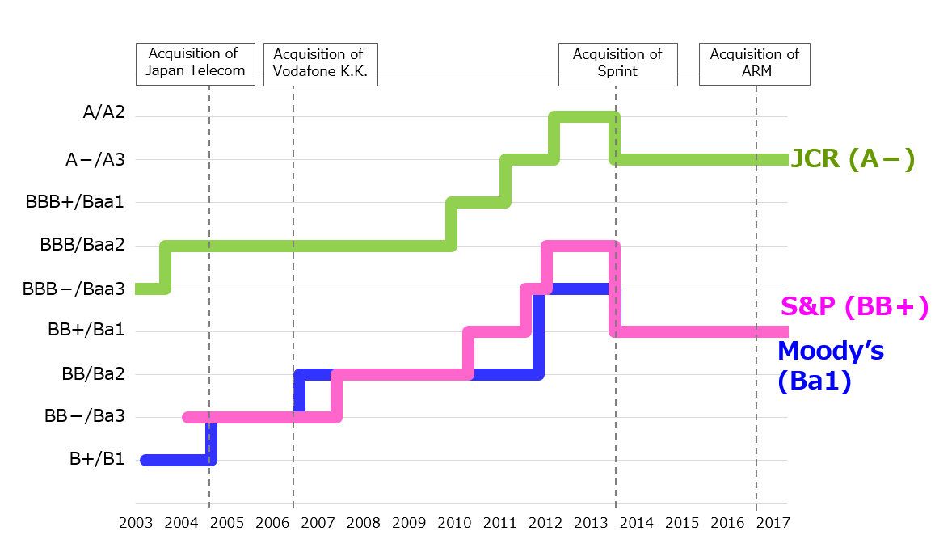

 | * Calendar year

