Cover
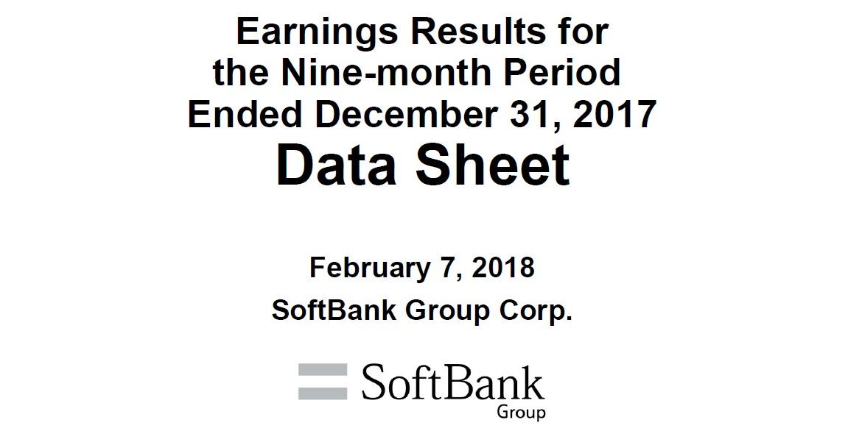
v.1.2

Ref1
Reference - 1 Corporate Bonds and Commercial Paper Details (consolidated)
 |  |  |  |  |  |  |  | (Millions of yen; unless otherwise stated)
 |  |  | Commercial paper, Bonds | Maturity date | Interest rate (%, year) | Mar. 31, 2017 Amount of issue | Dec. 31, 2017 Amount of issue | Dec. 31, 2017 Balance
 | SBG*1
 |  |  | Commercial paper | - | - | 80,000 | 100,000 | 100,000
 |  |  | 40th series Unsecured Straight Bond | Sept. 14, 2017 | 0.732 | 10,000 | - | -
 |  |  | 39th series Unsecured Straight Bond (Fukuoka SoftBank HAWKS Bond) | Sept. 22, 2017 | 0.740 | 100,000 | - | -
 |  |  | 35th series Unsecured Straight Bond | Jan. 25, 2018 | 1.660 | 10,000 | 10,000 | 10,000
 |  |  | 43rd series Unsecured Straight Bond (Fukuoka SoftBank HAWKS Bond) | June 20, 2018 | 1.740 | 400,000 | 400,000 | 399,576
 |  |  | 45th series Unsecured Straight Bond (Fukuoka SoftBank HAWKS Bond) | 2019-05-30 | 1.450 | 300,000 | 300,000 | 298,966
 |  |  | 46th series Unsecured Straight Bond (Fukuoka SoftBank HAWKS Bond) | Sept. 12, 2019 | 1.260 | 400,000 | 400,000 | 398,291
 |  |  | USD-denominated Senior Notes due year 2020 | Apr. 15, 2020 | 4.500 | $2,485mn | $2,485mn | 279,293
 |  |  | EUR-denominated Senior Notes due year 2020 | Apr. 15, 2020 | 4.625 | €625mn | €625mn | 83,825
 |  |  | 47th series Unsecured Straight Bond (Fukuoka SoftBank HAWKS Bond) | 2020-06-18 | 1.360 | 100,000 | 100,000 | 99,373
 |  |  | 44th series Unsecured Straight Bond | Nov. 27, 2020 | 1.689 | 50,000 | 50,000 | 49,907
 |  |  | USD-denominated Senior Notes due year 2022 | 2022-07-30 | 5.375 | $1,000mn | $1,000mn | 111,774
 |  |  | EUR-denominated Senior Notes due year 2022 | 2022-07-30 | 4.000 | €500mn | €500mn | 66,697
 |  |  | 48th series Unsecured Straight Bond (Fukuoka SoftBank HAWKS Bond) | Dec. 9, 2022 | 2.130 | 370,000 | 370,000 | 366,703
 |  |  | 49th series Unsecured Straight Bond | Apr. 20, 2023 | 1.940 | 20,000 | 20,000 | 19,929
 |  |  | 52nd series Unsecured Straight Bond | Mar. 8, 2024 | 2.030 | 50,000 | 50,000 | 49,801
 |  |  | 51st series Unsecured Straight Bond (Fukuoka SoftBank HAWKS Bond) | Mar. 15, 2024 | 2.030 | 400,000 | 400,000 | 395,532
 |  |  | USD-denominated Senior Notes due year 2024 | Sept. 19, 2024 | 4.750 | - | $1,350mn | 150,628
 |  |  | USD-denominated Senior Notes due year 2025 | 2025-07-30 | 6.000 | $1,000mn | $1,000mn | 111,570
 |  |  | EUR-denominated Senior Notes due year 2025 | 2025-07-30 | 4.750 | €1,250mn | €1,250mn | 166,569
 |  |  | EUR-denominated Senior Notes due year 2025 | Sept. 19, 2025 | 3.125 | - | €1,500mn | 199,865
 |  |  | 50th series Unsecured Straight Bond | Apr. 20, 2026 | 2.480 | 30,000 | 30,000 | 29,873
 |  |  | EUR-denominated Senior Notes due year 2027 | 2027-07-30 | 5.250 | €500mn | €500mn | 66,530
 |  |  | USD-denominated Senior Notes due year 2027 | Sept. 19, 2027 | 5.125 | - | $2,000mn | 223,142
 |  |  | EUR-denominated Senior Notes due year 2029 | Sept. 19, 2029 | 4.000 | - | €750mn | 99,882
 |  |  | 1st series Unsecured Subordinated Corporate Bond | Dec. 17, 2021 | 2.500 | 400,000 | 400,000 | 395,709
 |  |  | 2nd series Unsecured Subordinated Corporate Bond | Feb. 9, 2022 | 2.500 | 450,000 | 450,000 | 444,968
 |  |  | 1st Unsecured Subordinated Bonds with interest deferrable clause and early redeemable option (with a subordination provision) (Hybrid Bond) | Sept. 13, 2041 | 3.000 | 55,600 | 55,600 | 55,096
 |  |  | 3rd Unsecured Subordinated Bonds with interest deferrable clause and early redeemable option (with a subordination provision) (Hybrid Bond) | Sept. 30, 2041 | 3.000 | 400,000 | 400,000 | 392,709
 |  |  | 2nd Unsecured Subordinated Bonds with interest deferrable clause and early redeemable option (with a subordination provision) (Hybrid Bond) | Sept. 16, 2043 | 3.500 | 15,400 | 15,400 | 15,255
 |  |  | Sub Total |  |  |  |  | 5,081,463

^{*2}
^{*2}
 |  | (Reference) *Recorded as equity (other equity instruments) in financial statements
 |  |  | Undated Subordinated NC6 Resettable Notes | - | 6.000 | - | $2,750mn | 303,677
 |  |  | Undated Subordinated NC10 Resettable Notes | - | 6.875 | - | $1,750mn | 193,199

 | Yahoo Japan
 |  |  | 1st series Unsecured Straight Bond | Feb. 28, 2020 | 0.040 | 5,000 | 5,000 | 5,000
 |  |  | 4th series Unsecured Straight Bond | Dec. 7, 2020 | 0.070 | - | 10,000 | 10,000
 |  |  | 2nd series Unsecured Straight Bond | Feb. 28, 2022 | 0.170 | 15,000 | 15,000 | 15,000
 |  |  | 5th series Unsecured Straight Bond | Dec. 7, 2022 | 0.200 | - | 25,000 | 25,000
 |  |  | 3rd series Unsecured Straight Bond | Feb. 28, 2024 | 0.370 | 15,000 | 15,000 | 15,000
 |  |  | 6th series Unsecured Straight Bond | Dec. 6, 2024 | 0.350 | - | 25,000 | 25,000
 |  |  | 7th series Unsecured Straight Bond | Dec. 7, 2027 | 0.400 | - | 10,000 | 10,000
 |  |  | Sub Total |  |  |  |  | 105,000

 | Sprint
 |  | Sprint Corporation
 |  |  | 7.25% Notes due 2021 | Sept. 15, 2021 | 7.250 | $2,250mn | $2,250mn | 252,391
 |  |  | 7.875% Notes due 2023 | Sept. 15, 2023 | 7.875 | $4,250mn | $4,250mn | 475,941
 |  |  | 7.125% Notes due 2024 | June 15, 2024 | 7.125 | $2,500mn | $2,500mn | 279,784
 |  |  | 7.625% Notes due 2025 | Feb. 15, 2025 | 7.625 | $1,500mn | $1,500mn | 167,827
 |  | Sprint Communications, Inc.
^{*2}
 |  |  | 8.375% Senior Notes due 2017 | Aug. 15, 2017 | 8.375 | $1,300mn | - | -
^{*3}
 |  |  | 9% Guaranteed Notes due 2018 | Nov. 15, 2018 | 9.000 | $3,000mn | $1,800mn | 209,666
 |  |  | Export Development Canada Facility (Tranche 3) | Dec. 17, 2019 | 4.070 | $300mn | $300mn | 33,831
 |  |  | 7% Guaranteed Notes due 2020 | Mar. 1, 2020 | 7.000 | $1,000mn | $1,000mn | 116,327
 |  |  | 7% Senior Notes due 2020 | Aug. 15, 2020 | 7.000 | $1,500mn | $1,500mn | 172,414
 |  |  | 11.5% Senior Notes due 2021 | Nov. 15, 2021 | 11.500 | $1,000mn | $1,000mn | 133,375
 |  |  | 9.25% Debentures due 2022 | Apr. 15, 2022 | 9.250 | $200mn | $200mn | 25,179
 |  |  | 6% Senior Notes due 2022 | Nov. 15, 2022 | 6.000 | $2,280mn | $2,280mn | 255,437
 |  | Sprint Capital Corporation
 |  |  | 6.9% Senior Notes due 2019 | 2019-05-01 | 6.900 | $1,729mn | $1,729mn | 197,130
 |  |  | 6.875% Senior Notes due 2028 | Nov. 15, 2028 | 6.875 | $2,475mn | $2,475mn | 263,159
 |  |  | 8.75% Senior Notes due 2032 | Mar. 15, 2032 | 8.750 | $2,000mn | $2,000mn | 240,353
 |  | Clearwire Communications LLC
^{*4}
 |  |  | 8.25% Exchangeable Notes due 2040 *4 | Dec. 1, 2017 | 8.250 | $629mn | - | -
 |  |  | Sub Total |  |  |  |  | 2,822,815

 | Other
 |  |  |  |  |  | 200 | 50 | 50

 | Total Balance |  |  |  |  |  |  | 8,009,328

 | *1 Unsecured straight corporate bonds issued by SBG (including foreign-currency denominated bonds) are guaranteed by SoftBank.
 | *2 Undated subordinated resettable notes will be redeemed before maturity; NC6 in July 2023 and NC10 in July 2027.
 | *3 Floating interest rate. The interest rate stated is as of Dec. 29, 2017.
 | *4 USD 629 million Clearwire 8.25% Exchangeable Notes due 2040 were redeemed in December 2017 before maturity on December 2040.

Ref 2
Reference - 2 Trend of Credit Rating

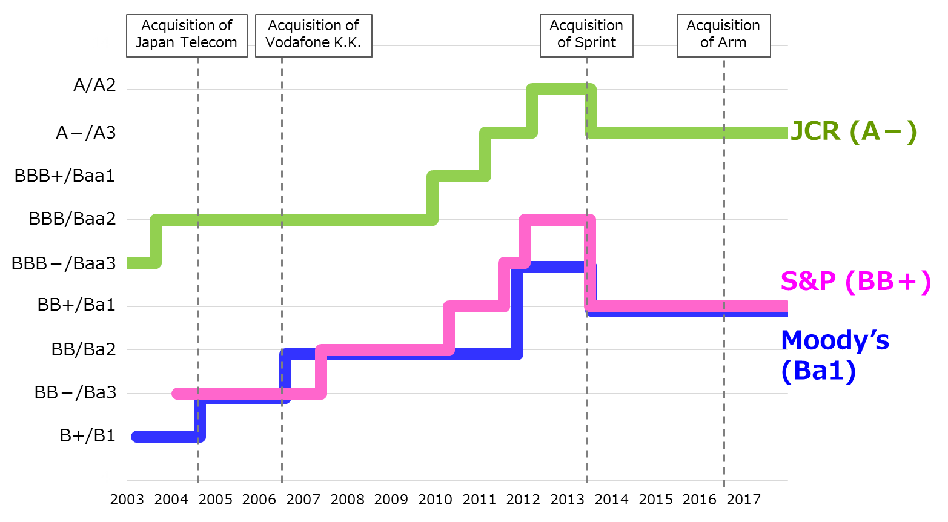

 | * Calendar year

