Cover
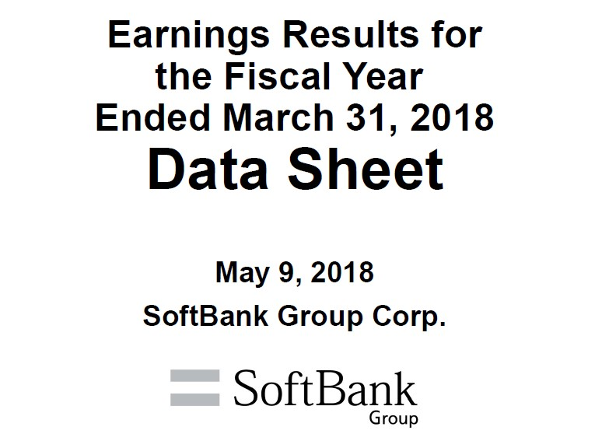

Ref1
Reference - 1 Corporate Bonds and Commercial Paper Details (consolidated)
 |  |  |  |  |  |  |  | (Millions of yen; unless otherwise stated)
 |  |  | Commercial paper, Bonds | Maturity date | Interest rate (%, year) | Mar. 31, 2017 Amount of issue | Mar. 31, 2018 Amount of issue | Mar. 31, 2018 Balance
 | SBG*1
 |  |  | Commercial paper | - | - | 80,000 | 100,000 | 100,000
 |  |  | 40th series Unsecured Straight Bond | Sept. 14, 2017 | 0.732 | 10,000 | - | -
 |  |  | 39th series Unsecured Straight Bond (Fukuoka SoftBank HAWKS Bond) | Sept. 22, 2017 | 0.740 | 100,000 | - | -
 |  |  | 35th series Unsecured Straight Bond | Jan. 25, 2018 | 1.660 | 10,000 | - | -
 |  |  | 43rd series Unsecured Straight Bond (Fukuoka SoftBank HAWKS Bond) | June 20, 2018 | 1.740 | 400,000 | 400,000 | 399,830
 |  |  | 45th series Unsecured Straight Bond (Fukuoka SoftBank HAWKS Bond) | 2019-05-30 | 1.450 | 300,000 | 300,000 | 299,160
 |  |  | 46th series Unsecured Straight Bond (Fukuoka SoftBank HAWKS Bond) | Sept. 12, 2019 | 1.260 | 400,000 | 400,000 | 398,548
 |  |  | USD-denominated Senior Notes due year 2020 | Apr. 15, 2020 | 4.500 | $2,485mn | $2,485mn | 262,743
 |  |  | EUR-denominated Senior Notes due year 2020 | Apr. 15, 2020 | 4.625 | €625mn | €625mn | 81,135
 |  |  | 47th series Unsecured Straight Bond (Fukuoka SoftBank HAWKS Bond) | 2020-06-18 | 1.360 | 100,000 | 100,000 | 99,438
 |  |  | 44th series Unsecured Straight Bond | Nov. 27, 2020 | 1.689 | 50,000 | 50,000 | 49,915
 |  |  | USD-denominated Senior Notes due year 2022 *2 | 2022-07-30 | 5.375 | $1,000mn | $819mn | 86,069
 |  |  | EUR-denominated Senior Notes due year 2022 *2 | 2022-07-30 | 4.000 | €500mn | €287mn | 36,994
 |  |  | 48th series Unsecured Straight Bond (Fukuoka SoftBank HAWKS Bond) | Dec. 9, 2022 | 2.130 | 370,000 | 370,000 | 366,870
 |  |  | 49th series Unsecured Straight Bond | Apr. 20, 2023 | 1.940 | 20,000 | 20,000 | 19,932
 |  |  | 52nd series Unsecured Straight Bond | Mar. 8, 2024 | 2.030 | 50,000 | 50,000 | 49,809
 |  |  | 51st series Unsecured Straight Bond (Fukuoka SoftBank HAWKS Bond) | Mar. 15, 2024 | 2.030 | 400,000 | 400,000 | 395,713
 |  |  | USD-denominated Senior Notes due year 2024 | Sept. 19, 2024 | 4.750 | - | $1,350mn | 141,684
 |  |  | USD-denominated Senior Notes due year 2025 *2 | 2025-07-30 | 6.000 | $1,000mn | $712mn | 74,678
 |  |  | EUR-denominated Senior Notes due year 2025 *2 | 2025-07-30 | 4.750 | €1,250mn | €689mn | 88,857
 |  |  | EUR-denominated Senior Notes due year 2025 | Sept. 19, 2025 | 3.125 | - | €1,500mn | 193,399
 |  |  | 50th series Unsecured Straight Bond | Apr. 20, 2026 | 2.480 | 30,000 | 30,000 | 29,877
 |  |  | EUR-denominated Senior Notes due year 2027 *2 | 2027-07-30 | 5.250 | €500mn | €211mn | 27,117
 |  |  | USD-denominated Senior Notes due year 2027 | Sept. 19, 2027 | 5.125 | - | $2,000mn | 209,863
 |  |  | USD-denominated Senior Notes due year 2028 *3 | Apr. 15, 2028 | 6.250 | - | $500mn | 52,516
 |  |  | EUR-denominated Senior Notes due year 2028 *3 | Apr. 15, 2028 | 5.000 | - | $1,174mn | 151,513
 |  |  | EUR-denominated Senior Notes due year 2029 | Sept. 19, 2029 | 4.000 | - | €750mn | 96,637
 |  |  | 1st series Unsecured Subordinated Corporate Bond | Dec. 17, 2021 | 2.500 | 400,000 | 400,000 | 395,983
 |  |  | 2nd series Unsecured Subordinated Corporate Bond | Feb. 9, 2022 | 2.500 | 450,000 | 450,000 | 445,276
 |  |  | 1st Unsecured Subordinated Bonds with interest deferrable clause and early redeemable option (with a subordination provision) (Hybrid Bond) | Sept. 13, 2041 | 3.000 | 55,600 | 55,600 | 55,101
 |  |  | 3rd Unsecured Subordinated Bonds with interest deferrable clause and early redeemable option (with a subordination provision) (Hybrid Bond) | Sept. 30, 2041 | 3.000 | 400,000 | 400,000 | 392,786
 |  |  | 2nd Unsecured Subordinated Bonds with interest deferrable clause and early redeemable option (with a subordination provision) (Hybrid Bond) | Sept. 16, 2043 | 3.500 | 15,400 | 15,400 | 15,257
 |  |  | Sub Total |  |  |  |  | 5,016,700

 |  | (Reference) *Recorded as equity (other equity instruments) in financial statements
 |  |  | Undated Subordinated NC6 Resettable Notes *4 | - | 6.000 | - | $2,750mn | 303,677
 |  |  | Undated Subordinated NC10 Resettable Notes *4 | - | 6.875 | - | $1,750mn | 193,199

 | Yahoo Japan
 |  |  | 1st series Unsecured Straight Bond | Feb. 28, 2020 | 0.040 | 5,000 | 5,000 | 5,000
 |  |  | 4th series Unsecured Straight Bond | Dec. 7, 2020 | 0.070 | - | 10,000 | 10,000
 |  |  | 2nd series Unsecured Straight Bond | Feb. 28, 2022 | 0.170 | 15,000 | 15,000 | 15,000
 |  |  | 5th series Unsecured Straight Bond | Dec. 7, 2022 | 0.200 | - | 25,000 | 25,000
 |  |  | 3rd series Unsecured Straight Bond | Feb. 28, 2024 | 0.370 | 15,000 | 15,000 | 15,000
 |  |  | 6th series Unsecured Straight Bond | Dec. 6, 2024 | 0.350 | - | 25,000 | 25,000
 |  |  | 7th series Unsecured Straight Bond | Dec. 7, 2027 | 0.400 | - | 10,000 | 10,000
 |  |  | Sub Total |  |  |  |  | 105,000

 | Sprint
 |  | Sprint Corporation
 |  |  | 7.25% Notes due 2021 | Sept. 15, 2021 | 7.250 | $2,250mn | $2,250mn | 237,409
 |  |  | 7.875% Notes due 2023 | Sept. 15, 2023 | 7.875 | $4,250mn | $4,250mn | 447,644
 |  |  | 7.125% Notes due 2024 | June 15, 2024 | 7.125 | $2,500mn | $2,500mn | 263,145
 |  |  | 7.625% Notes due 2025 | Feb. 15, 2025 | 7.625 | $1,500mn | $1,500mn | 157,842
 |  |  | 7.625% Notes due 2026 | Mar. 1, 2026 | 7.625 | - | $1,500mn | 156,825
 |  | Sprint Communications, Inc.
 |  |  | 8.375% Senior Notes due 2017 | Aug. 15, 2017 | 8.375 | $1,300mn | - | -
 |  |  | 9% Guaranteed Notes due 2018 | Nov. 15, 2018 | 9.000 | $3,000mn | $1,753mn | 190,396
^{*5}
 |  |  | Export Development Canada Facility (Tranche 3) | Dec. 17, 2019 | 4.130 | $300mn | $300mn | 31,799
 |  |  | 7% Guaranteed Notes due 2020 | Mar. 1, 2020 | 7.000 | $1,000mn | $1,000mn | 109,027
 |  |  | 7% Senior Notes due 2020 | Aug. 15, 2020 | 7.000 | $1,500mn | $1,500mn | 161,858
 |  |  | 11.5% Senior Notes due 2021 | Nov. 15, 2021 | 11.500 | $1,000mn | $1,000mn | 124,292
 |  |  | 9.25% Debentures due 2022 | Apr. 15, 2022 | 9.250 | $200mn | $200mn | 23,549
 |  |  | 6% Senior Notes due 2022 | Nov. 15, 2022 | 6.000 | $2,280mn | $2,280mn | 240,248
 |  | Sprint Capital Corporation
 |  |  | 6.9% Senior Notes due 2019 | 2019-05-01 | 6.900 | $1,729mn | $1,729mn | 185,047
 |  |  | 6.875% Senior Notes due 2028 | Nov. 15, 2028 | 6.875 | $2,475mn | $2,475mn | 247,649
 |  |  | 8.75% Senior Notes due 2032 | Mar. 15, 2032 | 8.750 | $2,000mn | $2,000mn | 225,845
^{*6}
 |  | Clearwire Communications LLC
 |  |  | 8.25% Exchangeable Notes due 2040 *6 | Dec. 1, 2017 | 8.250 | $629mn | - | -
 |  |  | Sub Total |  |  |  |  | 2,802,575

 | Other
 |  |  |  |  |  | 200 | 50 | 50

 | Total Balance |  |  |  |  |  |  | 7,924,325

 | *1 Unsecured straight corporate bonds issued by SBG (including foreign-currency denominated bonds) are guaranteed by SoftBank.
 | *2 The existing notes for the exchange offer (expired in March 2018) were retired by purchase in April 2018. The retirement by purchase was recorded in the Company's financial statements in FY2017 on an IRFS basis. The amount of issue and balance on March 31, 2018 was the amount after
 | the exchange.
 | *3 The exchange notes for the exchange offer were issued in April 2018. The issuance was recorded in the Company's financial statements in FY2017 on an IRFS basis.
 | *4 Undated subordinated resettable notes will be redeemed before maturity; NC6 in July 2023 and NC10 in July 2027.
 | *5 Floating interest rate. The interest rate stated is as of March 31, 2018.
 | *6 USD 629 million Clearwire 8.25% Exchangeable Notes due 2040 were redeemed in December 2017 before maturity on December 2040.

Ref 2
Reference - 2 Trend of Credit Rating

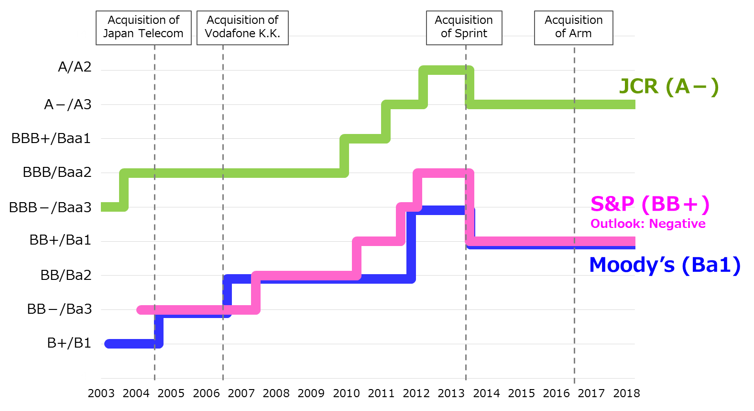

 | * Calendar year

